Problem or Requirement
CONSTRUCT OF SKILLS IN DB |  |  | Virtual Node
34 | Programming Languages
35 | Programming Languages | PHP |  | This is how the data is organised in the database
36 | Programming Languages | Python |  | There are multiple levels of skill
37 | Programming Languages | C++ |  | A skill may appear in more than one row which we call an Association string
45 | IT |  |  | Association strings are also linked to (or associated with other associations
46 | IT | Software Developments | 34
47 | IT | Data Analytics |  | The number of association strings run into multiple millions
48 | Python
 |  |  |  | Virtual Node is the graphical linkage to another node
PROBLEM
 | When Python is searched we want tp recommend other possible relevant skills
 | It could be
 | PHP, C++ |  |  | There are essentially four types of data
or | Software Development |  |  | 1 | Unique skills that have no parent or children
or | Data Analytics |  |  | 2 | Skills Categories that are groups of skills of similar nature
 |  |  |  |  | For example "Programming Labguages"
Note the data is kept in Postgres |  |  |  | 3 | Occupations that have associated to them as direct children and/or
There would be multiple million rows of data |  |  |  |  | virtual children that could be a skill or skill categories
 |  |  |  | 4 | Functions that similar to Occupations

 |  |  |  |  | Unique skills
 |  |  |  |  |  | C++
Related information |  |  |  |  | Skills Groups
 |  |  |  |  |  | Programming Languages
The data is stored in Postgres |  |  |  |  |  |  | C++
and |  |  |  |  |  |  | PHP
in ArangodB |  |  |  |  |  |  | Python
The relationships are constructed in Arnagodb |  |  |  |  |  | Databases
 |  |  |  |  |  |  | MySQL
Python is used |  |  |  |  |  |  | SQL
 |  |  |  |  |  |  | Oracle
FastAPI is used for rendering the skills from ArangoDB as API |  |  |  |  | Occupations
to be consumed in applications |  |  |  |  |  | Software Development
 |  |  |  |  |  |  | Activities |  | (Direct child)
 |  |  |  |  |  |  |  | Requirements Gathering
 |  |  |  |  |  |  |  | Code Review
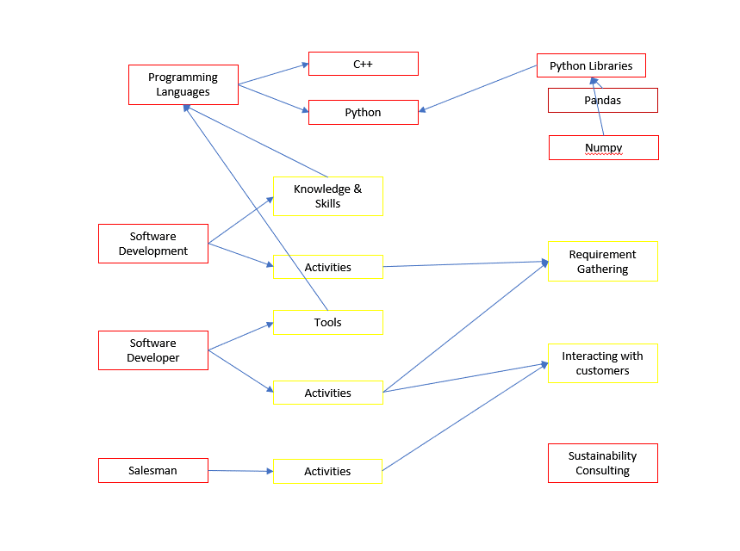
 |  |  |  |  |  |  | Programming Languages |  | (Indirect child or Virutal Node)
 |  |  |  |  |  |  | Databases

 |  |  |  |  | We currently have search that is top downn
 |  |  |  |  | So a person can search Software Development
 |  |  |  |  | He will then be shown Activities and Programming Labgaugess
 |  |  |  |  | From which they can choose children

 |  |  |  |  | What is Needed

 |  |  |  |  | To show skills or skills groups when a skill is searched

 |  |  |  |  | So if one searches for C++
 |  |  |  |  | We want to show other skills that may be useful to the user

 |  |  |  |  | And these skills are to be derived from the data set that is already there

 |  |  |  |  | For example based on the above one may infer that
 |  |  |  |  | for C++ we should show the following

 |  |  |  |  | C++

 |  |  |  |  | Recommended Skills and Skills groups

 |  |  |  |  | Programming Languages |  | Databases | Software Development Activities

 |  |  |  |  | The algo should appy some rules which we can keep improving over time based on
 |  |  |  |  | user behavior

